MAVIS
Step # | Activity | Owner | Server | Completion Date/Time | Remarks
1 | Raise GoAnywhere firewall change request with the network/infra team. Source: GoAnywhere servers 10.2.100.4 / 10.2.100.5 / 10.2.102.4. Destination 1: ukpnmvsprds31 port 22 (SSH). Destination 2: ukpnmvsprdb31 port 1525 (Oracle). | nxzen Project Team + nxzen BAU | Network / Infra team | Before cutover | Firewall connectivity is Open as confirmed by Nirmal. Hence this step is marked as complete
2 | Obtain and confirm the email distribution list to be used for GoAnywhere job alert notifications. | nxzen Project Team + nxzen BAU | - | Before cutover
3 | Wait for the Friday overnight batch job to complete successfully before starting any deployment activity. | nxzen Project Team + nxzen BAU | ukpnmvsprdb31 | 4/11/26 | Do not proceed until batch completion is confirmed.
4 | Confirmation that MPR Publication Report has run | nxzen BAU (Shivendra and Praveen) | BOP | 4/11/26 |  | Srikar confirmed
5 | Verify the Saturday load completed successfully | nxzen Project Team + nxzen BAU | ukpnmvsprdb31 | 4/11/26 | Do not proceed until batch completion is confirmed. | Srikar confirmed
6 | Request Control-M to put the MAVIS eway adapter job on hold so no new files are delivered during the cutover window. Get acknowledgement from the Control-M team before proceeding. | nxzen BAU | ukpnmvsprds31 | 4/11/26 | Do not proceed until acknowledgement is received. | Srikar confirmed
7 | Request Control-M to put the Sunday staging job on hold. Get acknowledgement from the Control-M team before proceeding. | nxzen BAU | ukpnmvsprds31 | 4/11/26 | Do not proceed until acknowledgement is received. | Srikar confirmed
8 | Ensure that the Staging tables related to D0010 and D0150 are empty | nxzen Project Team + nxzen BAU | ukpnmvsprdb31 | 4/11/26 |  | Radha Checked - All D0010 & D0150 Staging tables are empty
9 | Take backup of the MAVIS relevant Application database tables: STAGE_D0010_026, STAGE_D0010_027, STAGE_D0010_028, STAGE_D0010_029, STAGE_D0010_030, STAGE_D0010_032, STAGE_D0010_033 STAGE_D0150_08A, STAGE_D0150_288, STAGE_D0150_289, STAGE_D0150_290, STAGE_D0150_291, STAGE_D0150_293, STAGE_D0150_295, STAGE_D0150_296, STAGE_D0150_762, MDQ_ETL_FILE, MDQ_APP_MSG_REF, MDQ_ETL_AUDIT, MDQ_ETL_ERROR, MDQ_ETL_RUN. | nxzen DBA | ukpnmvsprdb31 | 4/11/26 |  | Radha Checked
10 | Create/Modify the required validation configuration table (MDQ_ETL_VALIDATION_CONFIG, MDQ_ETL_ERROR, MDQ_ETL_FILE) changes. | nxzen Project Team + nxzen BAU | ukpnmvsprdb31 | 4/11/26 |  | Done by Radha
11 | Create application database stored procedures and packages. | nxzen Project Team + nxzen BAU | ukpnmvsprdb31 | 4/11/26 |  | Done by Radha
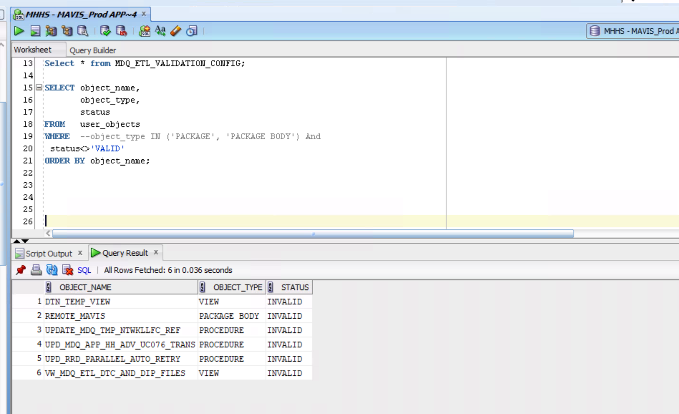
12 | Run insert scripts for reference data: MDQ_APP_MSG_REF and MDQ_ETL_VALIDATION_CONFIG JSON configuration records for D0010 and D0150. | nxzen Project Team + nxzen BAU | ukpnmvsprdb31 | 4/11/26 |  | Done by Radha
13 | Compile all modified and new packages and procedures. | nxzen Project Team + nxzen BAU | ukpnmvsprdb31 | 4/11/26 |  | Done by Radha
14 | Verify all modified and new packages and procedures are in VALID compiled state. (Run a query against USER_OBJECTS to confirm no INVALID objects remain) | nxzen Project Team + nxzen BAU | ukpnmvsprdb31 | 4/11/26 |  | Done by Radha
15 | Take a backup of all impacted DataStage jobs before making any changes. | nxzen Project Team + nxzen BAU | ukpnmvsprds31 | 4/11/26 |  | Done by Chary
16 | Create the GoAnywhere pickup folder and trigger file folder on the DataStage server. Paths: /dstage/projects/MAVIS_PROD/inbox_gaw AND /dstage/projects/MAVIS_PROD/gaw_file_trigger Ensure the permissions are the same as inbox/DTC directory where eWay and Datastage read/write) | nxzen Project Team + nxzen BAU | ukpnmvsprds31 | 4/11/26 |  | Done by Samitha
17 | Deploy updated DataStage jobs | nxzen Project Team + nxzen BAU | ukpnmvsprds31 | 4/11/26 |  | Done by Chary
18 | Compile all modified DataStage jobs. | nxzen Project Team + nxzen BAU | ukpnmvsprds31 | 4/11/26 |  | Done by Chary
19 | Verify all modified DataStage jobs are in compiled state with no compile errors. | nxzen Project Team + nxzen BAU | ukpnmvsprds31 | 4/11/26 |  | Done by Chary
20 | Back up existing .ear files and note the current JMS queue configuration on both eWAY servers before making any changes. | nxzen Project Team + nxzen BAU | UKPNIMIBXPRMQ31, UKPNIMIBXPRMQ32 | 4/11/26 |  | Done by Samitha
21 | Regenerate the .ear files on both eWAY production servers and update the MAVIS application, including JMS queue changes for D0010 and D0150 file processing. eWAY should now be configured to deliver D0010 and D0150 files to /dstage/projects/MAVIS_PROD/inbox_gaw instead of the legacy DataStage inbox. Other files should continue to be delivered to the current directories | nxzen Project Team + nxzen BAU | UKPNIMIBXPRMQ31, UKPNIMIBXPRMQ32 | 4/11/26 |  | Done by Samitha
22 | Share the updated XML file to Neal and Sinida | nxzen BAU | UKPNIMIBXPRMQ31, UKPNIMIBXPRMQ32 | 4/11/26 |  | Samitha Sent a email 17:20
23 | Deploy and configure GoAnywhere production job: source folder = /dstage/projects/MAVIS_PROD/inbox_gaw, Oracle stored procedure call configured, trigger file path = /dstage/projects/MAVIS_PROD/gaw_file_trigger, email alerts set for nxzenincomemanagementsupport@ukpowernetworks.co.uk | nxzen Project Team + nxzen BAU | 10.2.100.4, 10.2.100.5, 10.2.102.4 | 4/11/26 |  | Done by Nirmal
24 | Integration test: 1) Move all the files from inbox/DTC to a temporary directory. => Done 2) Place the oldest of the outstanding D0010 and D0150 files (two each) in the inbox_gaw folder for GoAnyWhere to process => Done 3) Place the oldest of the outstanding (non D0010/D0150) in inbox/DTC folder for Datastage to process => Done 4) Trigger Datastage staging job => Done Verify end-to-end: (a) trigger file created in gaw_file_trigger by DataStage, => Done (b) 4 files picked up by GoAnywhere in the order of timestamp, => Done (c) Oracle stored procedure called and data staged in STAGE_ tables, all audit information aptured => Done (d) trigger file deleted by GoAnywhere after processing, => Done (e) all 4 file archived or rejected correctly. => Done (f) Datastage has successfully processed the non D0010/D0150 file placed in inbox/DTC => Done Proceed to the next step only if this test has succeeded. If not, resolve the issue and retry | nxzen Project Team + nxzen BAU | ukpnmvsprds31 | 4/11/26 |  | Done by Divya
25 | Move the remaining D0010 and D0150 files to /dstage/projects/MAVIS_PROD/inbox_gaw directory | nxzen Project Team + nxzen BAU | ukpnmvsprds31 | 4/11/26 |  | Done by Chary
26 | Move the remaining non D0010 and D0150 files to inbox/DTC directory (Note: A pragmatic approach to be taken w.r.t number of files to be moved based on the outstanding at that point in time) | nxzen Project Team + nxzen BAU | ukpnmvsprds31 | 4/11/26 |  | Done by Chary
27 | Restart both eWAY servers to ensure all changes take full effect. | nxzen Project Team + nxzen BAU | UKPNIMIBXPRMQ31, UKPNIMIBXPRMQ32 | 4/11/26 |  | Done by Samitha
28 | Validate MAVIS subscriptions and ensure all applications and adapters are running correctly after .ear deployment. | nxzen Project Team + nxzen BAU | UKPNIMIBXPRMQ31, UKPNIMIBXPRMQ32 | 4/11/26 |  | Done by Samitha
29 | Request Control-M to release mavis eway adapter | nxzen BAU | ukpnmvsprds31 | 4/11/26 |  | Done by Rajesh
30 | Confirm that eWAY is now automatically delivering all new D0010 and D0150 files to the new GoAnywhere pickup folder (/dstage/projects/MAVIS_PROD/inbox_gaw). From this point forward, all D0010 and D0150 files received from the industry will be routed by eWAY directly to the new folder, where the GoAnywhere process will pick them up. All other D-Flow files continue to be delivered to the existing DataStage inbox as before. | nxzen Project Team + nxzen BAU | ukpnmvsprds31 | 4/11/26 |  | Done by Chary
31 | Trigger Datastage staging job using the backend script (and repeat this once finished as per the current BAU process) | nxzen BAU | ukpnmvsprds31 | 4/11/26 |  | Done by Chary
32 | Perform post go-live monitoring. Verify: (1) eWAY is delivering D0010/D0150 files to /dstage/projects/MAVIS_PROD/inbox_gaw. => Done (2) During DataStage staging, trigger file appears in /dstage/projects/MAVIS_PROD/gaw_file_trigger. => Done (3) After staging completes, GoAnywhere deletes the trigger file from /dstage/projects/MAVIS_PROD/gaw_file_trigger. (4) Other DTC files are successfully procesed by Datastage as before | nxzen Project Team + nxzen BAU | ukpnmvsprds31 | 11/04/2026 22:30:00 - 12/04/2026 18:00 | If any check fails, escalate immediately to nxzen Project Team.
33 | Request Control-M to release Application load job => Done | nxzen BAU | ukpnmvsprds31 | 4/12/26
34 | Application Load kickoff -- confirm the MAVIS application load is processing staged data correctly end-to-end. | nxzen BAU | ukpnmvsprds31 | 4/12/26
35 | Comms to Business that the staging related activities are complete and files are being staged correctly | nxzen Project Team |  | 4/12/26
36 | Comms to Business that the staged files are processed successfully into the application tables | nxzen Project Team |  | 4/13/26

